Moving Checklist
Dzone Work |  |  |  | Comment
DONE | Task |  | Images
 | 1- Eindiawholesale has 3 stores which has different pricing for each store and these stores country specific We Should be able to make as many country specific new stores at our end from admin panel | 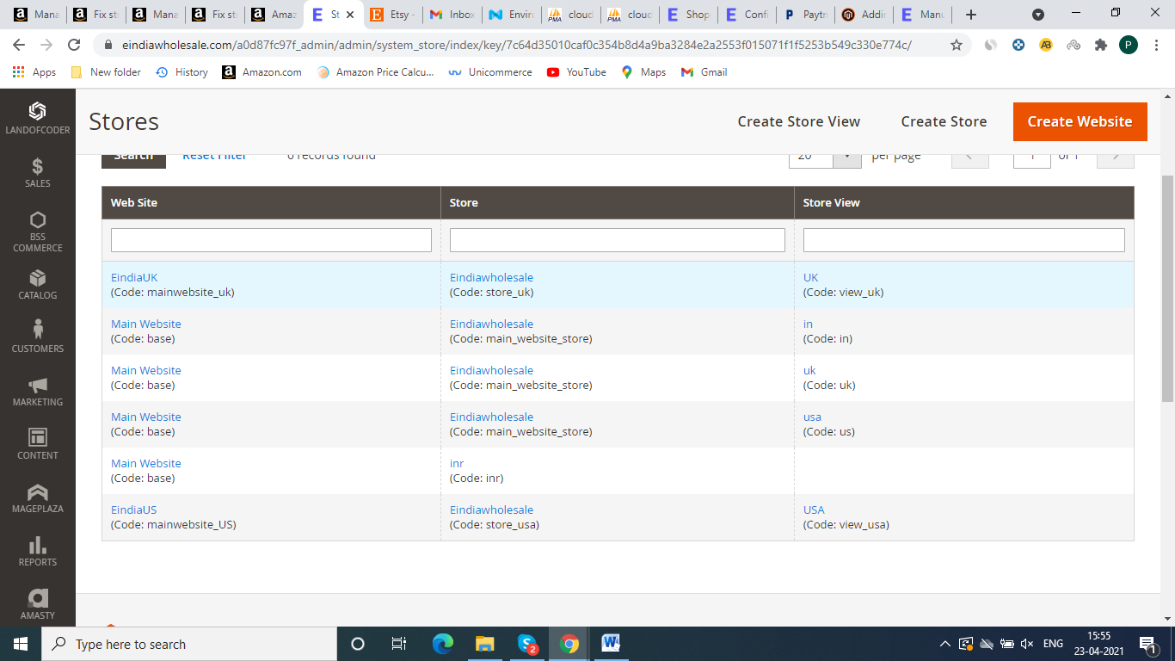 |  | Api is ready fronted will complete in two Days

 | Eindiawholesale is a B2B website, customers add multiple products in their cart and cart can be viewed only if a customer is login to his account (To view cart customer first login or create new account) Once customer login , we can see customers cart from backend. |  |  | Done

 | Minimum order value should be Rs 1000 for India and 50USD for USA Store and 100USD for UK store, (we can customize it on admin panel |  |  | work is in progress Complete Tommorow

 | Shipping is automatically applied as per cart weight at the time of checkout (Predefined rates Given) and free shipping on specific amount (For eg 150 USD, we can change it as per our requirement), free Shipping amount is different for all stores, like 2000INR for india, 100USD for USA store and 150 USD for UK store, we need pop up or any text for free delivery massage for customers as like current website, check screenshot | 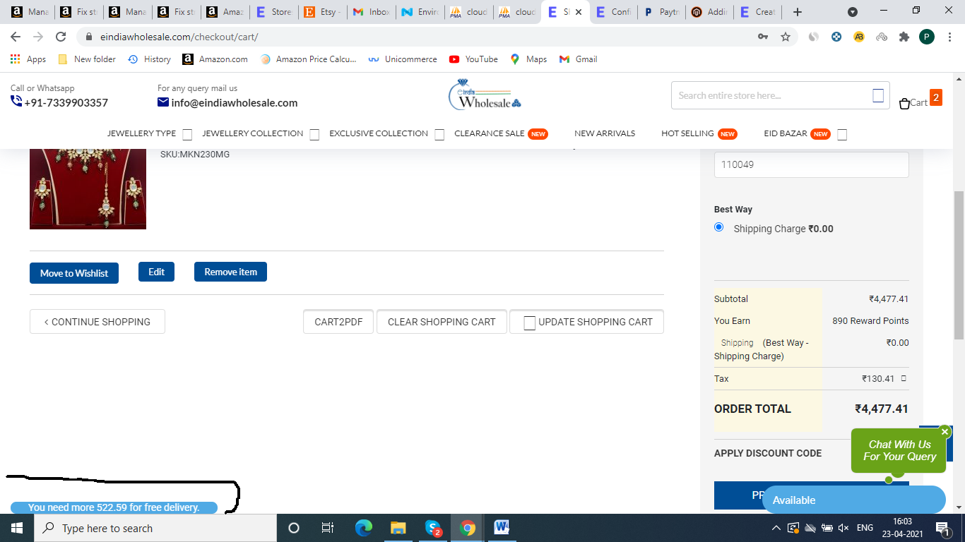 |  | Api is ready work is in progress Complete Tommorow

 | All products have available quantity Mentioned and as they get sold it is updated automatically on frontend & Backend and once all sold it gets hidden from website as well as from all customers cart. |  |  | Done

 | Cart Gets automatically updated if any products in cart is out of stock from website. |  |  | Done

 | We have 4 Payment Gateways on website – 2 for India (Razor Pay & Paytm ) and 2 for out of India (Paypal & RazorPay) |  |  | Pending

 | we need Rewards Points Extension with user friendly functioning, like we can customize all the rule for rewards points like earn rule or spending rule, and report section And we can customize reward points manually to any accounts at admin panel, check screenshot And make a text or pop up massage on cart page to Earning information of reward points ,and add a functionality to use reward points on cart page, check screenshot | 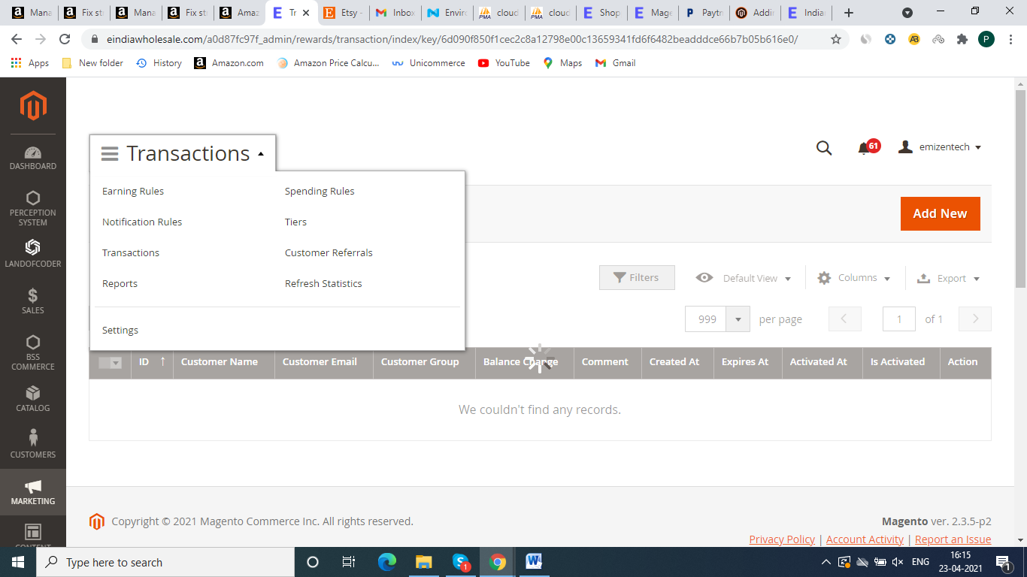 |  | Api is ready work is in progress Complete Tommorow

 | make a text or pop up massage on cart page to Earning information of reward points ,and add a functionality to use reward points on cart page, check screenshot | 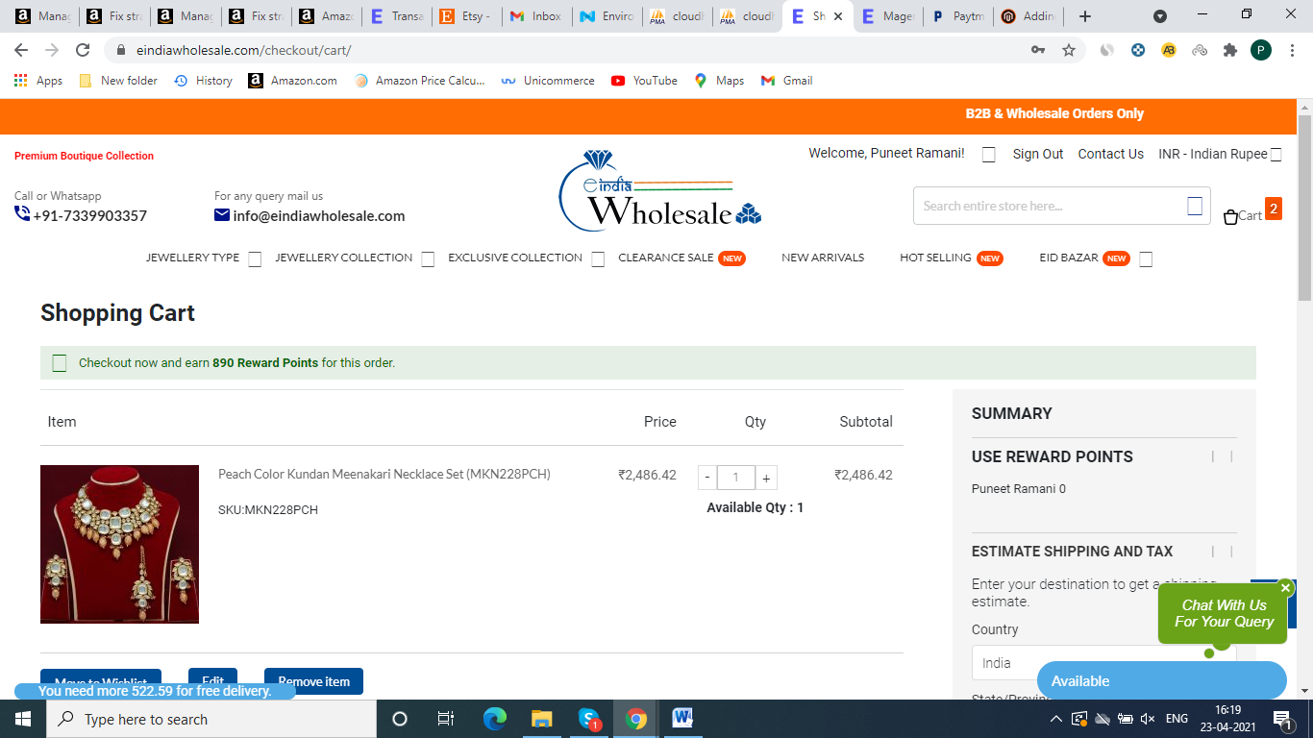 |  | Done

 | Add multiple products to Cart on category Page, Check screenshot | 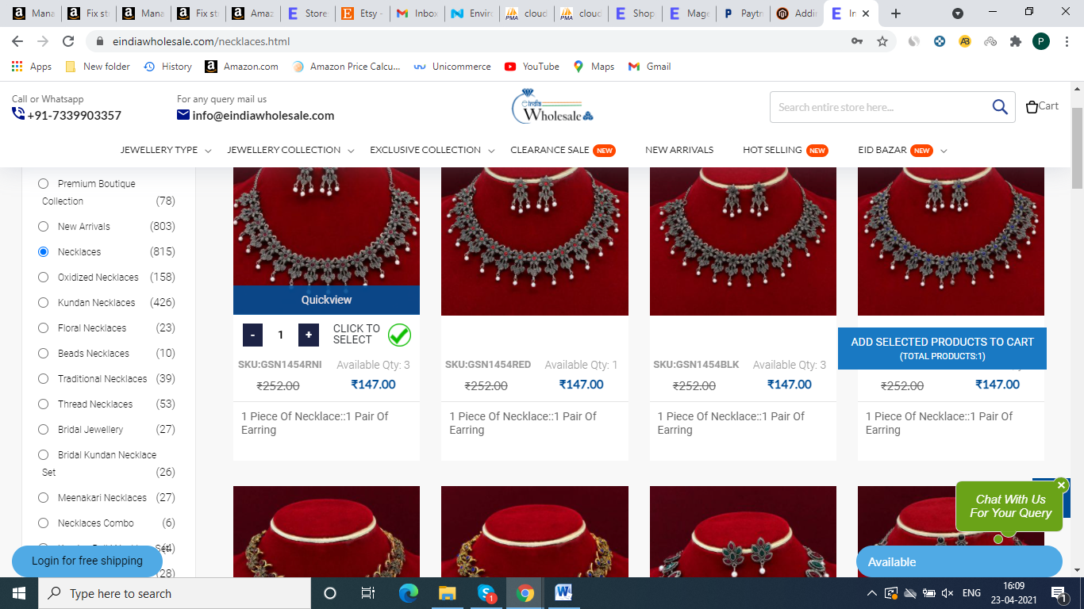 |  | Done

 | We need text Message as like our current Eindia website, Check text message of our current Eindia Cart Page and apply it, check in this screenshot | 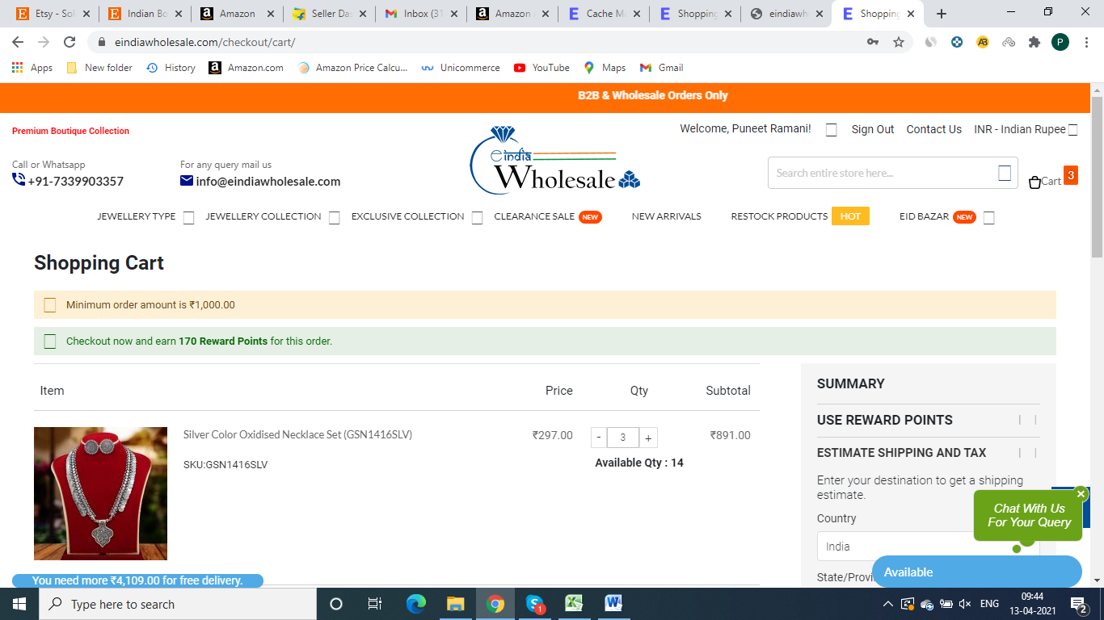 |  | work is in progress Complete Tommorow

 | we need message for minimum order amount which is 1000INR for india, and 100USD for other stores, this message can customize our own side any time *We need Cart2PDF functionality as shown in screenshot * We need function on cart page to use reward points as shown in screenshot | 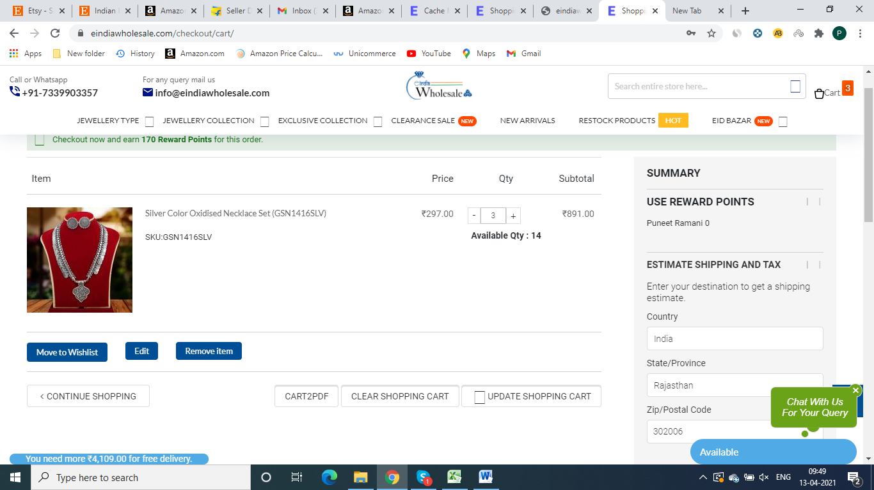 |  | Api and Fronted page is ready work is in progress Comple in 2-3 days

 | * We need this kind of pop up or test message to shown other countries for custom charges(not applicable in india) | 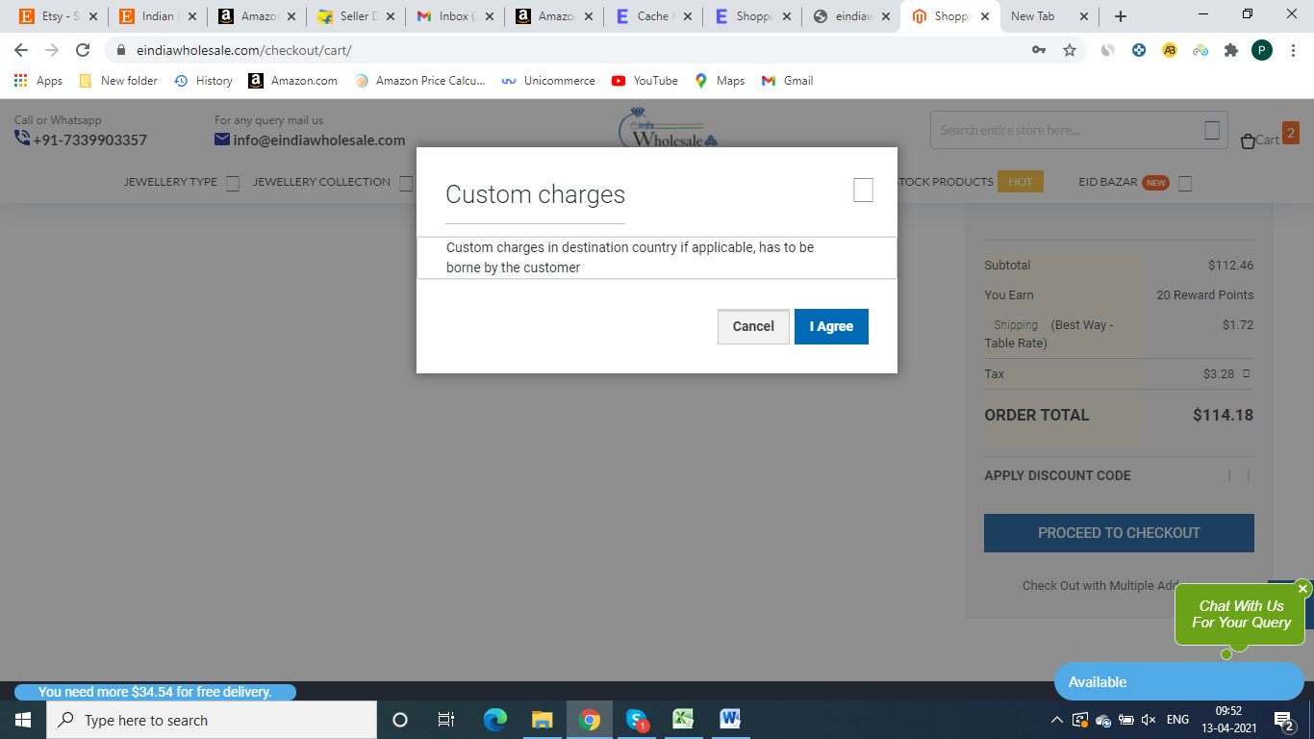 |  | Pending

 | We need this kind of pop up or test message to shown other countries for custom charges(not applicable in india)`

 | On cart page Out of stock product automatically removed, and display a massage for OOS products |  |  | Done

 | 1) We need space for some text message for customers as shown on screenshot on checkout page 2) Calculate shipping function according to weight on check out page 3) We need Different Payments for Different stores, Like We need Paytm , other upi options, and Razorpay payment Method on Indian Store And Paypal and Razorpay for other stores – If any order in pending payment, it gets automatically cancelled after 15 minutes and all products restored back in inventory as well as added back in customers cart . | 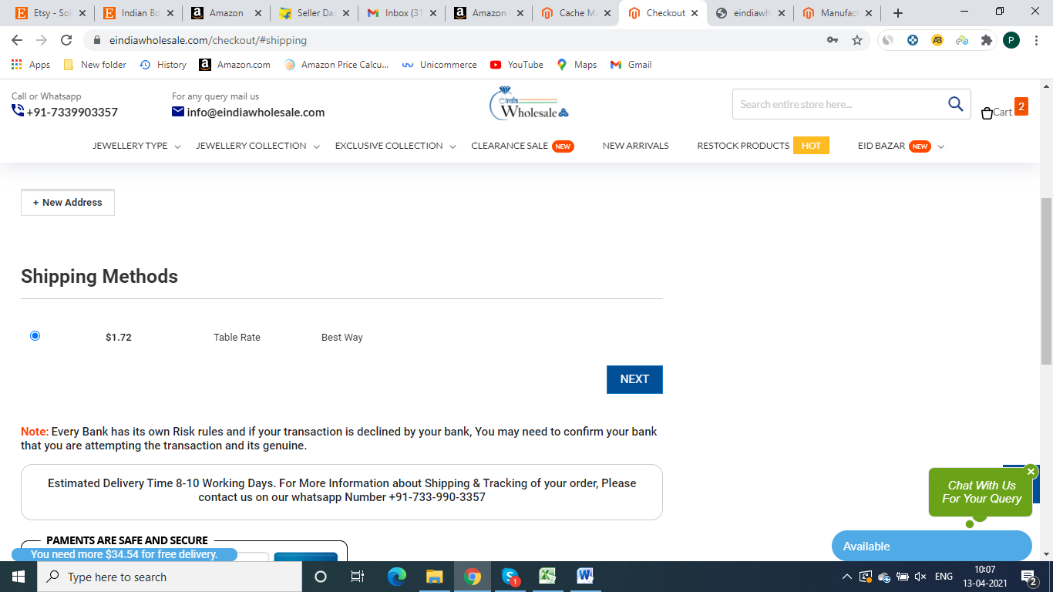 |  | done

 | 1)– After order , Product Images and Description of order can be downloaded from customers account as shown in screenshot 2) We need same set of information of user on Account page as like current eindia user account page | 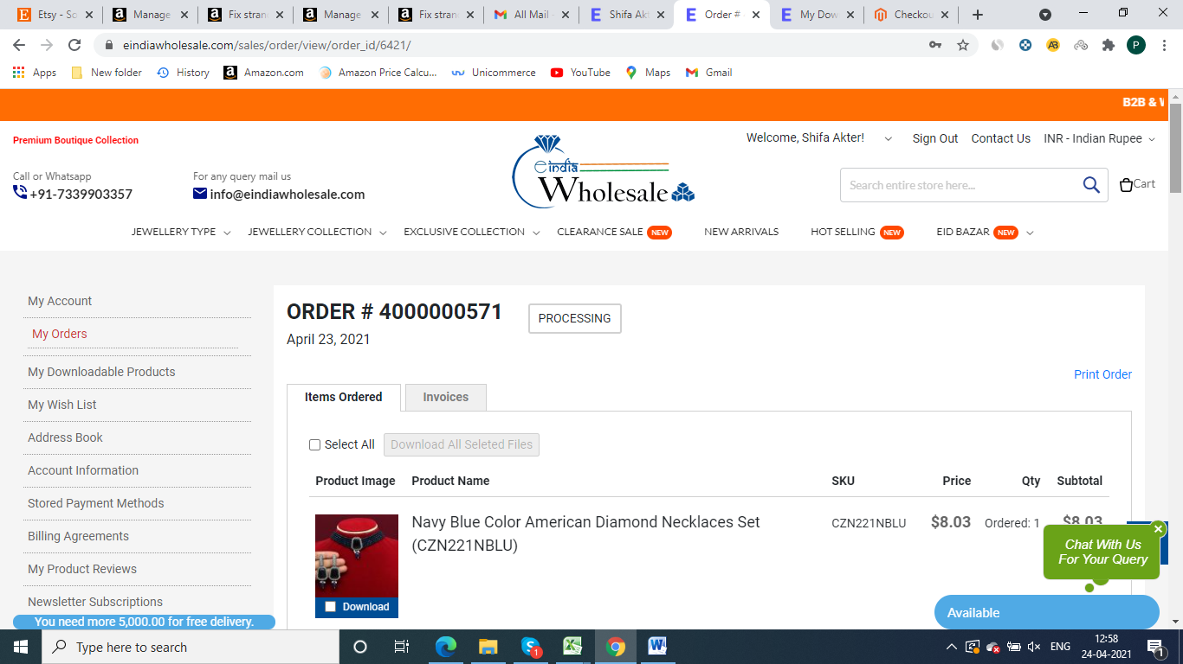 |  | Done

 | we need all the information as like current eindia admin panel 1) We need Sales tabs in this tab we can see all the sales related data Like Orders, invoices, as shown in screenshot | 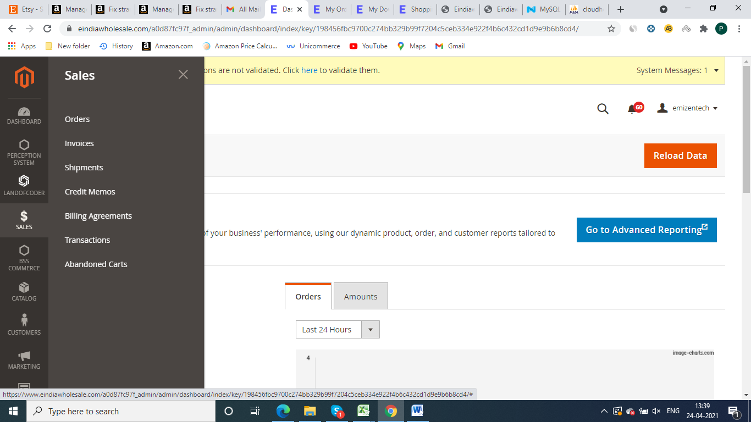 |  | pending

 | We need catalog tab which have Products and categories information, we can customize product and categories through manually or through CSV Files as shown screenshot | 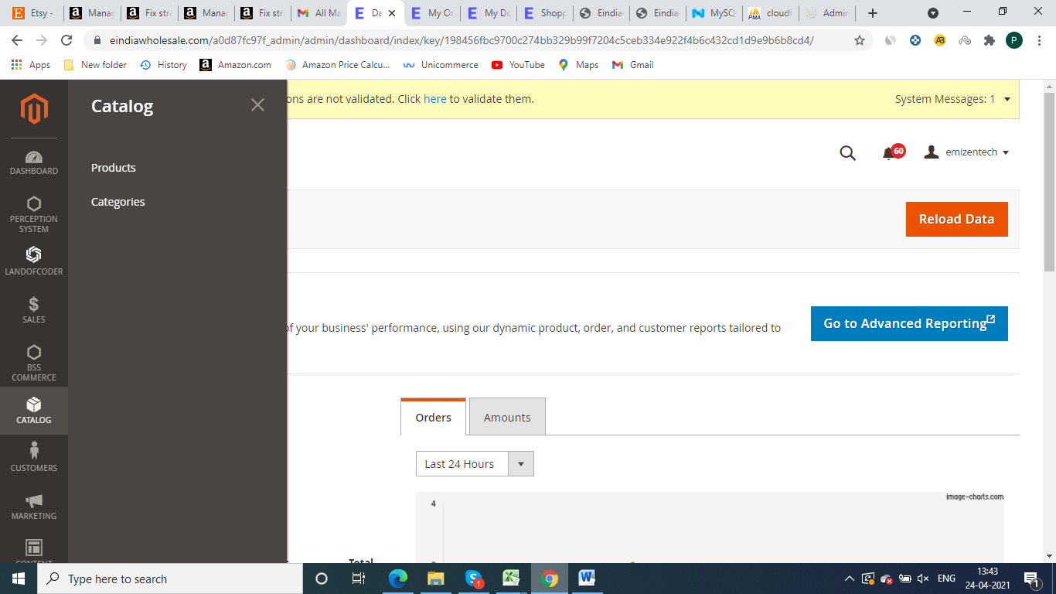 v |  | done

 | We Need a Customers tab, in this tab all the data and details about customers, need customers group also | 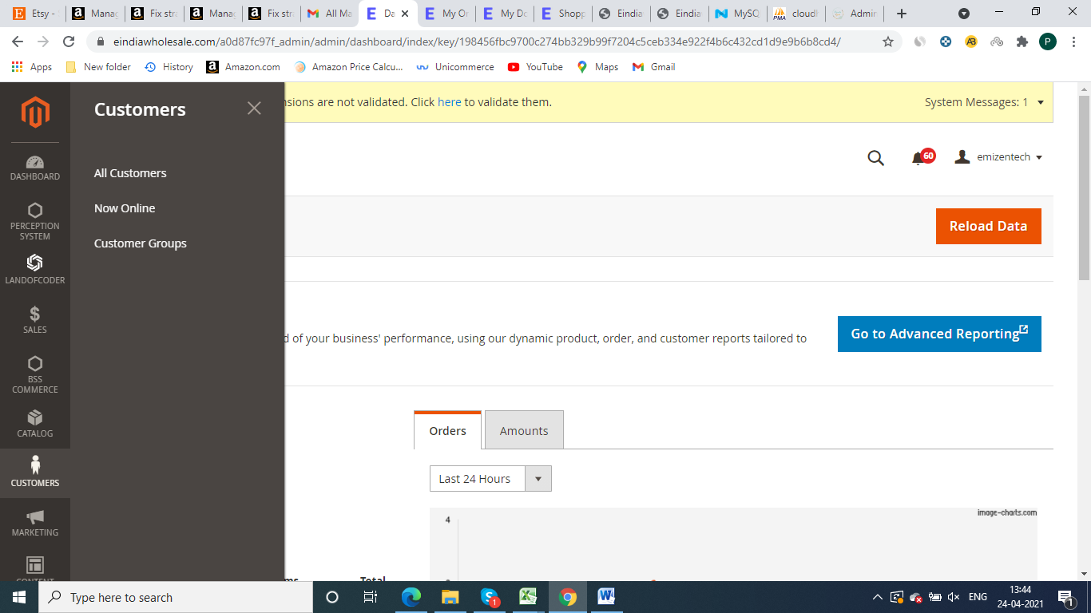 |  | done

 | We need a marketing tab, in this all the marketing related to be shown like campaign, coupons, Email Campaign , as shown in screenshot | 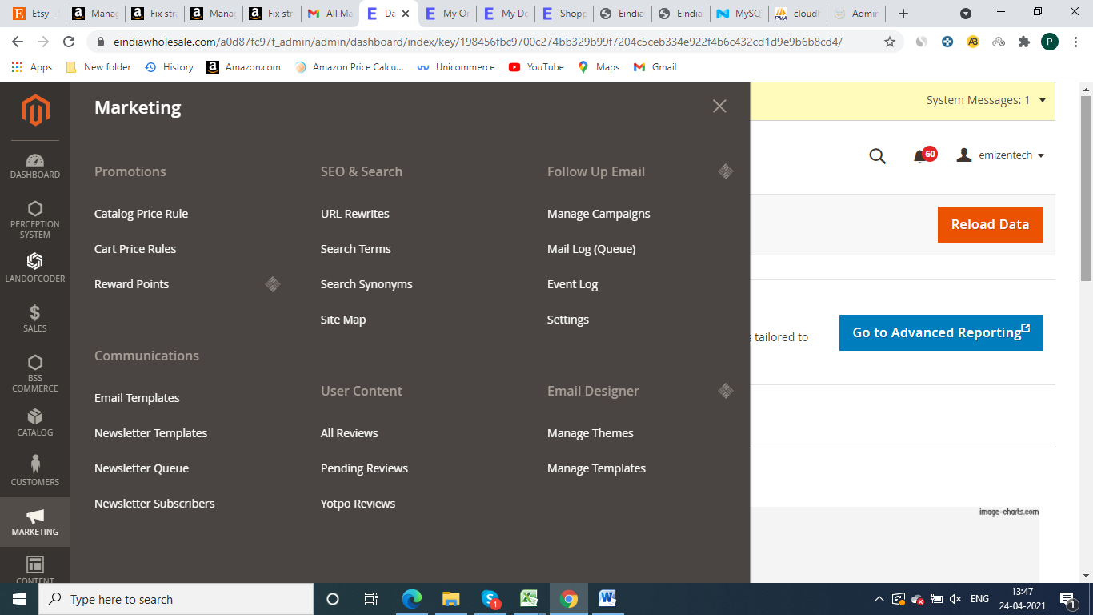 |  | pending

 | We need a report section tab which have all the report data , as like current Eindia admin panel, check Screenshot | 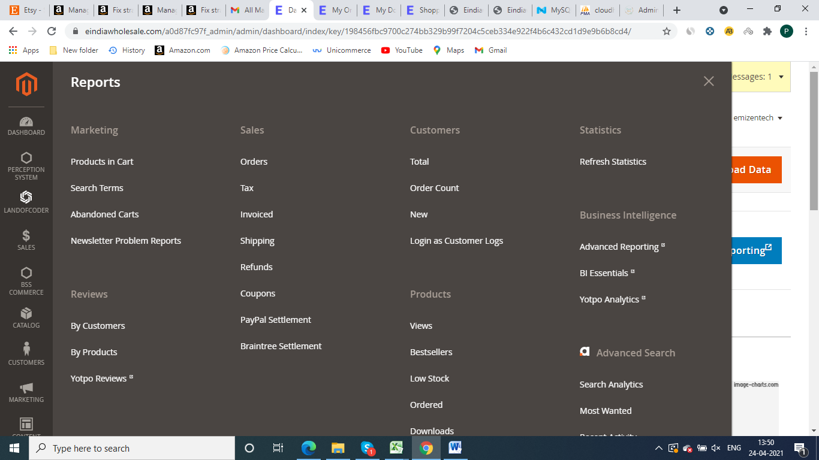 |  | Api is ready work is in progress Complete in 2 days

 | We need Store Section which shown all information about stores, | 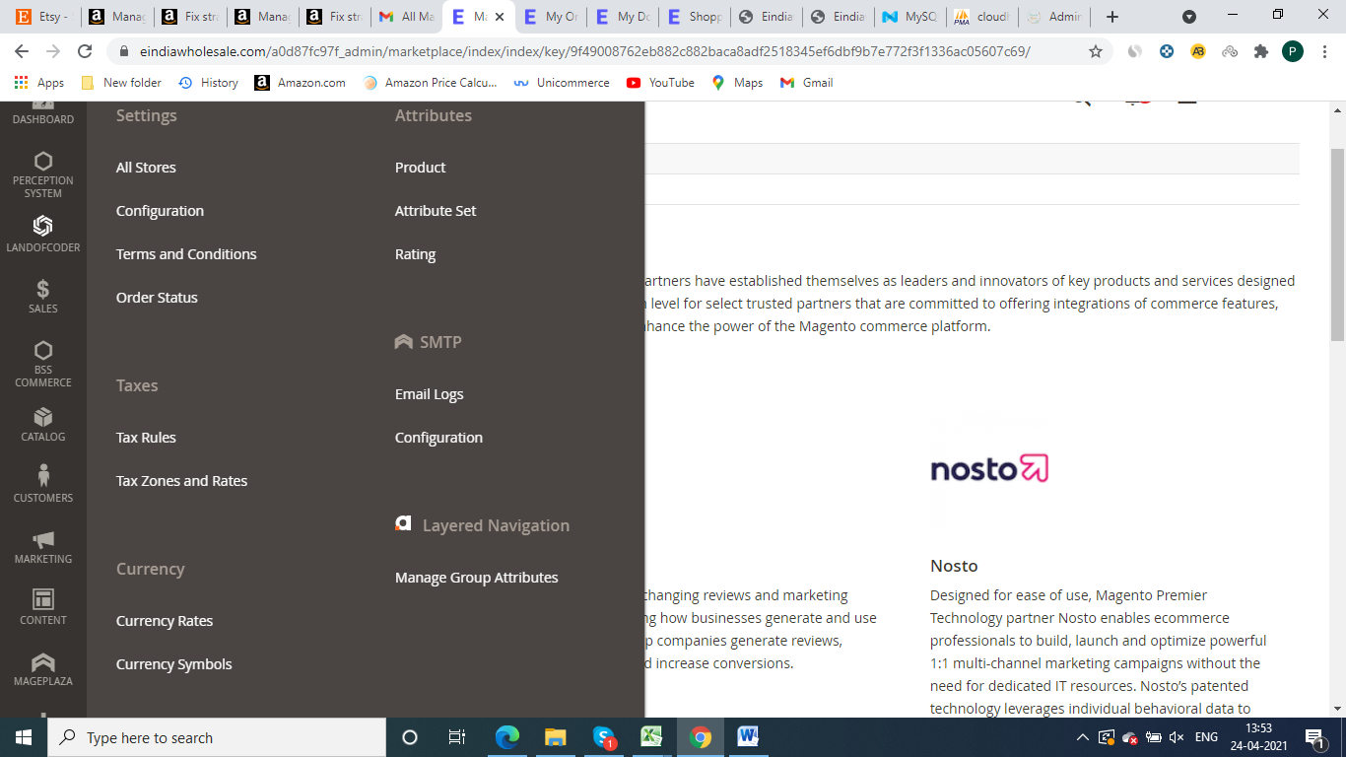 |  | Work in Progress

 | Push Notifications required , Order Confirmation mails, Order Shipped emails, Abandoned Cart Emails, New Arrivals Emails, Promotional Emails, content and graphics Could be customised as when required from admin panel |  |  | Pending

 | Customized Order Category Out of Stock Products Shown in this category with Fixed MOQ(minimum order Quantity), Customer can add these products to MOQ Cart for Selection and can placed orders of this Moq cart after Confirmation |  |  | Pending

 | Products added by customer in cart should be visible in backend in Abandoned cart. |  |  | Done

 | 1) We Need Address column on Sign up page like current website 2) We need separate column for Country, City State and zipcode, bcz shipping is calculated through Country code 3) Need a column for GSt No Detail ( not compulsory ) 4) In phone no. tab country flag is visible and country phone code is auto fulfil when customer enter his country | 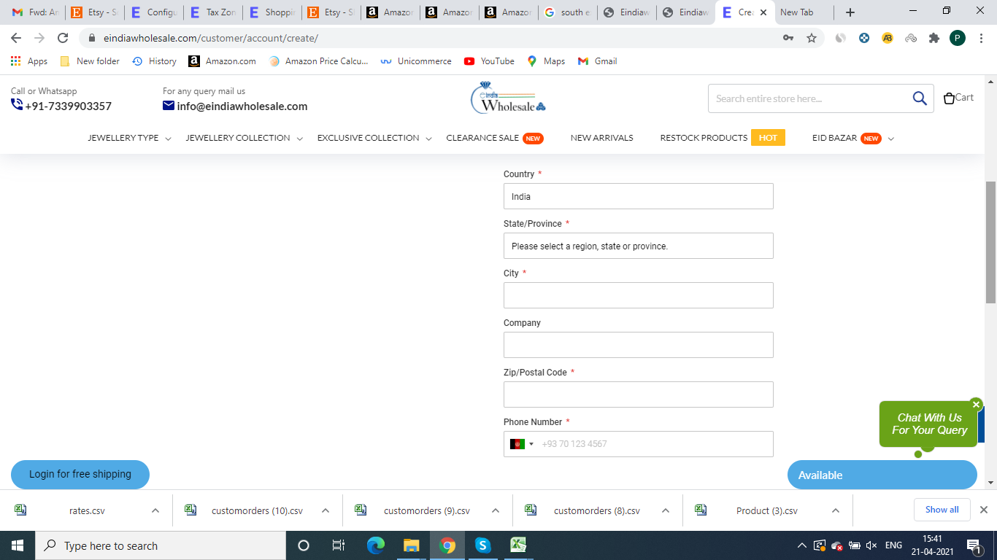 |  | Done

 | Website should be compatible on all the devies and browsers | Half Done
 | Website Must Be SEO friendly and should have easy to index in search engines results | Half Done
 | Performance and page speed should be as per google and GT metrix parameters | Half Done

